Overview
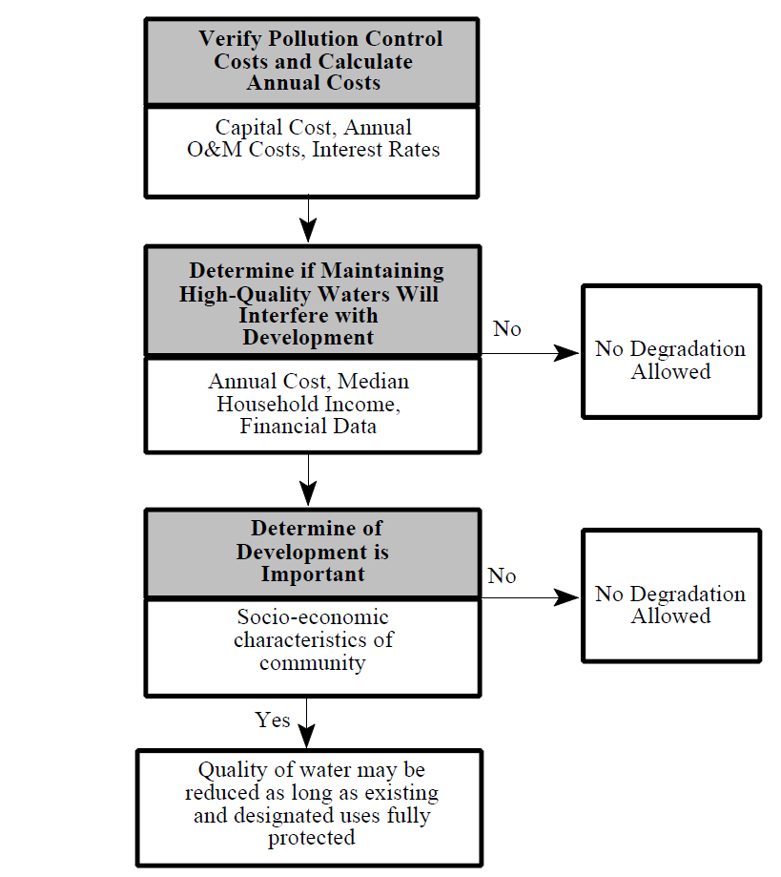
Antidegradation Review (Figure 5-1 from the Guidance)
Description: This flowchart is an overview of the steps involved in performing an economic impact analysis as part of an antidegradation review. No input is required.

