About

PLEASE ENABLE MACROS TO USE THIS TOOL!

About this Tool
This tool can be used to calculate the volume of water stored between the source of hot water and individual fixtures.

Section 3.3 of the |  | WaterSense New Home Specification |  | requires that hot water distribution systems store no more than
0.5 gallons (64 ounces) of water between the source of hot water and the furthest fixture. During inspection, no more than 0.6 gallons (76.8 ounces) of water is allowed to be discharged before a rise of 10° F can be observed.

Plumbing is a complicated and resource instensive system that has a major impact on the cost, comfort, and performance of a home. This tool is intended to help calculate the volume of water stored in the system between the source and the fixture and determine whether or not the system will meet the WaterSense criteria.

WaterSense has more information in the |  |  | Guide for Efficient Hot Water Delivery Systems.
Builders, plumbers, and other users should always follow industry best practices and local building codes.

You will need to enable macros in order to use this tool. |  |  |  | More Information.

How is the Volume Calculated?
The table below summarizes the volume of water stored in different sized piping:
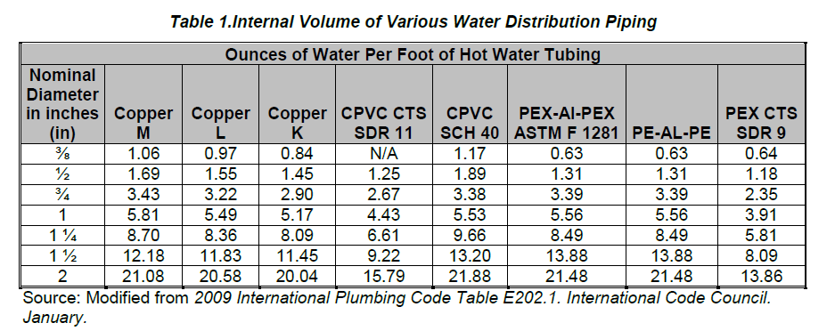

The volume of water stored in manifolds is estimated at 0.013 gallons per manifold port.
This estimate is based on information provided by the Plastic Pipe and Fittings Association (PPFA).

How to Use This Tool
This tool contains several sheets:
 | 1. Volume Calculator: Use this sheet to calculate the volume of water stored in the different runs. Start by selecting the system type and use the illustrations to help identify the correct places to enter your data.
 | 2. Ft & Inch to Decimal Calc: This sheet provides a handy way to convert feet and inches into decimal feet (ex: 5' 6" to 5.5 feet).
 | 3. Considerations: Provides a summary of the major considerations for selecting different types of distribution systems.

Volume Calculator
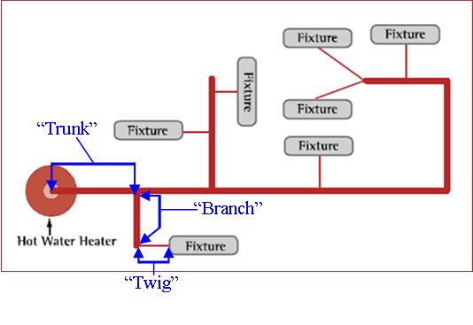
Type of system: |  | Trunk & Branch

Fixture | 1 |  | Fixture 1

Trunk:
piping: |  |  |  | diameter | 1/2"

length (feet) | 0 |  | ounces/ft: | 0 | volume (oz): | 0

Trunk: The large diameter piping that runs from the water heater toward multiple points of use.
Branch: The pipe that runs off the main trunk toward a cluster of fixtures (such as a bathroom or a kithcen).
Twig: The small diameter piping that serves an individual fixture.
Branch:
piping: |  |  |  | diameter | 1/2"

length (feet) | 0 |  | ounces/ft: | 0 | volume (oz): | 0

Twig:
piping: |  |  |  | diameter | 1/2"

length (feet) | 0 |  | ounces/ft: | 0 | volume (oz): | 0

total
length (feet) | 0 |  |  |  | volume (oz): | 0

Fixture | Length (ft) |  | Volume (oz) | Volume (gal)
Fixture 1

Ft & Inch to Decimal Feet Calc
Use this page to convert from feet and inches into decimal feet.

Skip a line if you are adding multiple segments of a single run together. The values in the "Total" column will reset to show the run total.
ft' | inch" | Segment (ft) |  | Total
 |  |  |  |  |  | #VALUE! |  | #VALUE!

The values at the end represent the total sum of all segments and runs.

 |  |  | Total values: | 0.00 | ft | 0 | ft | 0 | inches

