Instructions
Background
This Excel spreadsheet is intended to support the use of Generate: The Game of Energy Choices
Generate is an interactive game that allows students to explore energy choices and teaches the considerations and costs in deciding what type of energy generation to build. These materials are for educational purposes only.
All additional materials for the game are included at: https://www.epa.gov/climate-research/generate-game-energy-choices
For any problems or feedback, please contact: Rebecca Dodder at dodder.rebecca@epa.gov
Instructions

0. Before starting, make sure the carbon dioxide (CO2) price is set at zero for the first round of the game.
Ideally, the Excel sheet is projected on a screen for the class to see all scores.
1. Once all teams have finished their energy mix, fill in the number of pieces used for each energy type.
Hint: Leaving blanks for the unused pieces allows students to see/compare the energy mixes more easily.
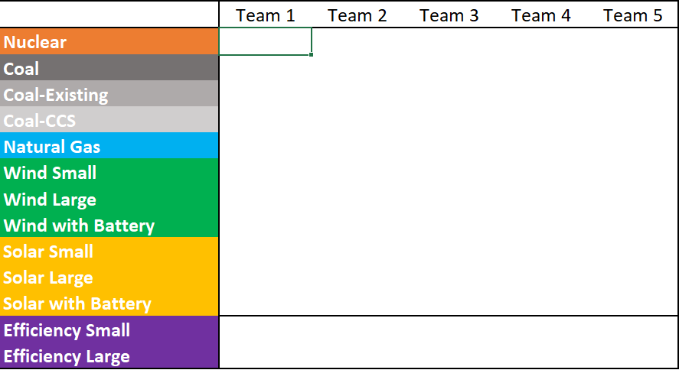


2. Check that all teams have correctly filled in their grid.
There are two checks. Have all of the grid squares been covered? Have at least 8 small pieces been used? The small pieces are needed to fill in the bottom row, and may represent a Renewable Portfolio Standard.

Zeroes and green checks. Good!

Too many pieces. Try recounting. Or, the students may have gone past the white grid.
Missing pieces, 1 small piece is needed.
Too few pieces. 16 grid squares not covered.

3. Show the students their total scores and rankings. 1 (in green) is the lowest cost solution, 5 (in red) is the most expensive.
For the first round, with CO2 set to zero, the "Total Cost of CO2" will be zero for all teams. Therefore, the "TOTAL Cost" is the Cost to Build and Operate.
Ask the students to discuss their ranking and total score, and why they differed from the other teams.

4. Before starting the next round, change the CO2 cost to show students how the rankings change.
These rounds will now include a cost of the economic damages associated with CO2. This will factor into the TOTAL cost.

5. Continue to change the CO2 cost for each round, and repeat starting with Step 1.
6. Optional: Scores for all rounds can be copied to compare results. Copy the TOTAL cost.
Hint: Do not use CTRL+V to copy the scores. Doing that will link those cells to the "TOTAL cost" and change when the CO2 cost changes. Either "Paste as value" or type in the TOTAL score for each round. This is particularly useful to see the cost reductions for the "Energy Efficiency" round.
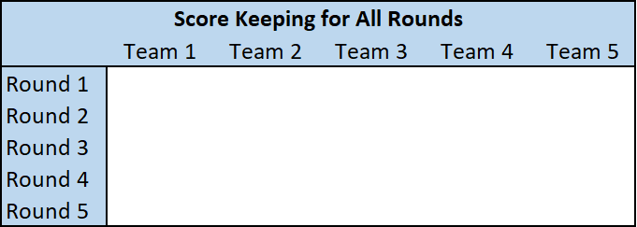

7. For additional information on playing rounds with a CO2 limit or water limit, please see the Instructor's Guide for details.

Score and Rank
 | Below type in the number of each energy piece used by each team. |  |  |  |  | TOTAL COST can be typed here to show the results from each round
 | Team 1 | Team 2 | Team 3 | Team 4 | Team 5 | Score Keeping for All Rounds
Nuclear |  |  |  |  |  |  | Team 1 | Team 2 | Team 3 | Team 4 | Team 5
Coal |  |  |  |  |  | Round 1
Coal-Existing |  |  |  |  |  | Round 2
Coal-CCS |  |  |  |  |  | Round 3
Natural Gas |  |  |  |  |  | Round 4
Wind Small |  |  |  |  |  | Round 5
Wind Large
CO2 and Water Use (by team)
Wind with Battery
Solar Small
Solar Large
Solar with Battery
Efficiency Small
Efficiency Large
 | This is your breakdown of costs, total cost, and rank for each team
Cost (Build and Operate) | 0 | 0 | 0 | 0 | 0 | CO2 Cost
1 2 3 4 5
Total Cost of CO2 | 0 | 0 | 0 | 0 | 0 | 0
TOTAL Cost | 0 | 0 | 0 | 0 | 0 | Between 0 and 10 |  |  |  |  | Size of bubble indicates total water use
Team Ranking | 1 | 1 | 1 | 1 | 1

Grid squares not covered | 352 | 352 | 352 | 352 | 352
Small Needed | 8 | 8 | 8 | 8 | 8
 | These should be zero if the correct number of pieces has been used.
 |  |  |  |  |  | Limits for additional game rounds
CO2 emissions | 0 | 0 | 0 | 0 | 0 | 300 | CO2 Limit
amount above limit | -300 | -300 | -300 | -300 | -300
Water use | 0 | 0 | 0 | 0 | 0 | 100 | H2O limit
amount above limit | -100 | -100 | -100 | -100 | -100

Do not change the calculations below

COST (BUILD AND OPERATE) | Capital Cost | Operating Cost | CO2 Emissions | Years | H2O Withdrawals
Nuclear | 2125 | 25 | 0 | 30 | 74
Coal | 785 | 20 | 4.5 |  | 16
Coal-Existing | 0 | 20 | 4.5 |  | 16
Coal-CCS | 1170 | 25 | 0.5 |  | 43
Natural Gas | 105 | 10 | 1.2 |  | 4
Sm Wind | 75 | 1 | 0 |  | 0
Lg Wind | 300 | 4 | 0 |  | 0
Lg Wind (w Battery) | 375 | 4 | 0 |  | 0
Sm Solar | 110 | 1 | 0 |  | 0
Lg Solar | 450 | 3 | 0 |  | 0
Lg Solar (w Battery) | 560 | 3 | 0 |  | 0
Sm Efficiency | 20 | 0 | 0 |  | 0
Lg Efficiency | 80 | 0 | 0 |  | 0

 | Team 1 | Team 2 | Team 3 | Team 4 | Team 5
COST (BUILD AND OPERATE)
Nuclear | 0 | 0 | 0 | 0 | 0
Coal | 0 | 0 | 0 | 0 | 0
Coal-Existing | 0 | 0 | 0 | 0 | 0
Coal-CCS | 0 | 0 | 0 | 0 | 0
Natural Gas | 0 | 0 | 0 | 0 | 0
Sm Wind | 0 | 0 | 0 | 0 | 0
Lg Wind | 0 | 0 | 0 | 0 | 0
Lg Wind (w Battery) | 0 | 0 | 0 | 0 | 0
Sm Solar | 0 | 0 | 0 | 0 | 0
Lg Solar | 0 | 0 | 0 | 0 | 0
Lg Solar (w Battery) | 0 | 0 | 0 | 0 | 0
Sm Efficiency | 0 | 0 | 0 | 0 | 0
Lg Efficiency | 0 | 0 | 0 | 0 | 0

COST OF CO2
Nuclear | 0 | 0 | 0 | 0 | 0
Coal | 0 | 0 | 0 | 0 | 0
Coal-Existing | 0 | 0 | 0 | 0 | 0
Coal-CCS | 0 | 0 | 0 | 0 | 0
Natural Gas | 0 | 0 | 0 | 0 | 0
Sm Wind | 0 | 0 | 0 | 0 | 0
Lg Wind | 0 | 0 | 0 | 0 | 0
Lg Wind (w Battery) | 0 | 0 | 0 | 0 | 0
Sm Solar | 0 | 0 | 0 | 0 | 0
Lg Solar | 0 | 0 | 0 | 0 | 0
Lg Solar (w Battery) | 0 | 0 | 0 | 0 | 0
Sm Efficiency | 0 | 0 | 0 | 0 | 0
Lg Efficiency | 0 | 0 | 0 | 0 | 0

CO2 EMISSIONS
Nuclear | 0 | 0 | 0 | 0 | 0
Coal | 0 | 0 | 0 | 0 | 0
Coal-Existing | 0 | 0 | 0 | 0 | 0
Coal-CCS | 0 | 0 | 0 | 0 | 0
Natural Gas | 0 | 0 | 0 | 0 | 0
Sm Wind | 0 | 0 | 0 | 0 | 0
Lg Wind | 0 | 0 | 0 | 0 | 0
Lg Wind (w Battery) | 0 | 0 | 0 | 0 | 0
Sm Solar | 0 | 0 | 0 | 0 | 0
Lg Solar | 0 | 0 | 0 | 0 | 0
Lg Solar (w Battery) | 0 | 0 | 0 | 0 | 0
Sm Efficiency | 0 | 0 | 0 | 0 | 0
Lg Efficiency | 0 | 0 | 0 | 0 | 0

WATER USE
Nuclear | 0 | 0 | 0 | 0 | 0
Coal | 0 | 0 | 0 | 0 | 0
Coal-Existing | 0 | 0 | 0 | 0 | 0
Coal-CCS | 0 | 0 | 0 | 0 | 0
Natural Gas | 0 | 0 | 0 | 0 | 0
Sm Wind | 0 | 0 | 0 | 0 | 0
Lg Wind | 0 | 0 | 0 | 0 | 0
Lg Wind (w Battery) | 0 | 0 | 0 | 0 | 0
Sm Solar | 0 | 0 | 0 | 0 | 0
Lg Solar | 0 | 0 | 0 | 0 | 0
Lg Solar (w Battery) | 0 | 0 | 0 | 0 | 0
Sm Efficiency | 0 | 0 | 0 | 0 | 0
Lg Efficiency | 0 | 0 | 0 | 0 | 0

