README
Emission Factors from AVERT
May 2019

What is AVERT?
The AVoided Emissions and geneRation Tool (AVERT) is a free EPA tool with a simple user interface. Environmental agency staff, air quality planners, energy officials, public utility commission staff, and others can use AVERT to evaluate the particulate matter (PM2.5), carbon dioxide (CO2), nitrogen oxides (NOX), and sulfur dioxide (SO2) emissions avoided at electric power plants by EE/RE policies and programs. AVERT calculates displaced emissions based on actual historical hourly patterns in generation by electric power plants within the contiguous 48 states and DC.

Emission Factors
AVERT uses a peer-reviewed methodology to analyze electric power sector impacts on an hour-by-hour basis, but it can also produce average emission factors for each AVERT region and for the nation. The tables in this file provide marginal emission factors for specific EE/RE resources, which EPA pre-generated by running AVERT with data for each year from 2007 to 2018.

When to Use AVERT Emission Factors
The emission factors presented here are intended for quick estimates of avoided emissions from EE/RE programs, policies, or projects. For more detailed planning, download and use AVERT to generate a custom analysis that accounts for seasonal and time-of-day variations or to analyze different EE/RE combinations. The emission factors in this compendium were calculated by assuming a 0.5% displacement of the existing demand in each AVERT region. They are divided into four categories: wind, utility photovoltaic (PV), portfolio EE, and uniform EE. Use the portfolio EE factors if you are assessing a wide range of EE programs. Use the uniform EE factors if energy savings are consistent throughout the year. If you have a RE project, use the appropriate renewable energy technology type: utility PV or wind. Emission factors should not be used to examine the emission impacts of changes that extend more than 5 years into the future. All avoided emission rates in this document were produced on a net generation basis, incorporating the latest historical estimates of transmission and distribution line losses where appropriate.

AVERT Regions
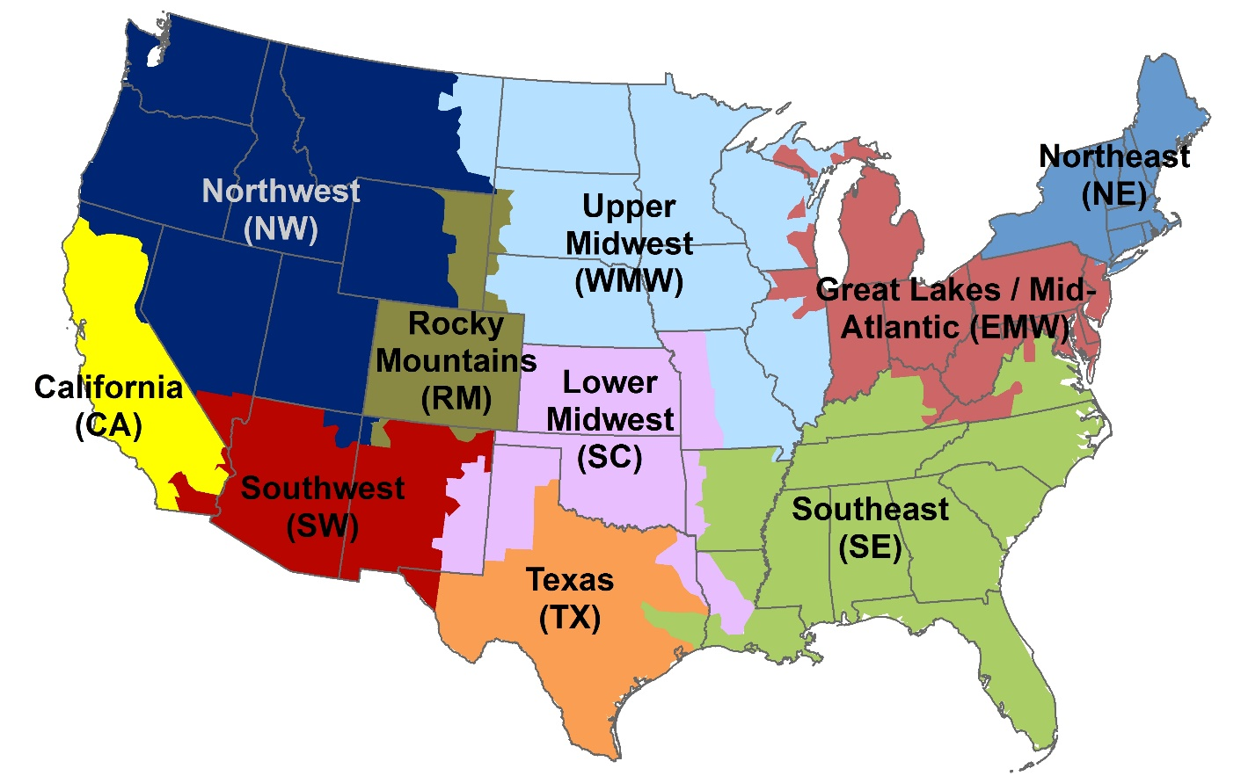

The AVERT regions are generally aggregations of the eGRID subregions used by EPA, and are similar, but not identical, to North American Electric Reliability Corporation regions. This map is for representational purposes only, as the interconnectedness of regions means that the boundaries drawn here are only approximate.

Using Capacity Factors for Wind and PV Power Generation
Estimating avoided emissions of wind and solar projects involves multiplying the appropriate emission factor from this document (in pounds per megawatt-hour [MWh]) by the size of the RE resource and the RE technology’s capacity factor. It is not appropriate to simply multiply the emission factor by the size of the RE installation because a wind turbine or PV panel rarely (if ever) achieves its maximum possible output under actual operating conditions. This is a consequence of natural hourly, daily, and seasonal fluctuations in wind speed, cloud cover, the sun’s angle of incidence, and hours of sunlight per day. These factors all vary regionally; for example, the Southwest has more sunny days per year than the Northeast. To estimate avoided emissions from wind or PV, multiply the RE capacity by an additional capacity factor that reflects actual operating conditions. If actual capacity factors are unavailable, the table on the next worksheet provides an average capacity factor for wind and PV resources for each AVERT region as well as the contiguous 48 states, for national-scale analysis. These factors reflect annual averages based on the hourly RE profiles embedded in AVERT. Appendix C of the AVERT User Manual describes how these hourly profiles were developed.

Example
For illustration, consider the avoided PM2.5 emissions from a project to add 100 MW of wind capacity in the Texas region:
 | Annual generation = capacity factor for RE technology (0.3386) × installed capacity (100 MW) x hours in a year (8,760 h, except leap years) = 296,614 MWh Avoided PM2.5 emissions = avoided electricity generation (296,614 MWh) × emission factor (0.06 lb/MW h) = 17,797 lb

Unit Conversions
1 MW = 1,000 kW = 0.001 GW. To convert units from power (kW, MW, GW) to energy (kWh, MWh, GWh), multiply by the total number of hours in the year. To convert in the other direction, divide by the total number of hours in the year. There are 8,760 hours in a non-leap year and 8,784 hours in a leap year.

Emissions Accounting and Claims
Although the avoided emission estimates provided by AVERT are intended to support RE initiatives, AVERT is a marginal emissions assessment tool and not a tool for emissions accounting. EPA cautions RE users and retailers from using AVERT’s avoided emissions estimates to take or give credit for emission reductions, particularly in corporate greenhouse gas (GHG) accounting and reporting. While RE users that own renewable energy certificates (RECs) or similar market-based energy attribute certificates have unique ownership and claim to the emissions attributes of the associated electricity generation, they generally do not have a unique claim to the impacts on regional grid operations and emissions. Corporate GHG accounting typically includes an inventory of emissions associated with purchased electricity, but not an assessment of the impact of an organization’s purchased electricity on regional grid emissions. Organizations interested in quantifying RE’s impact on regional grid emissions should consider project accounting. This type of emissions accounting is designed to quantify the benefits of emission mitigation projects.

