HDV Tables
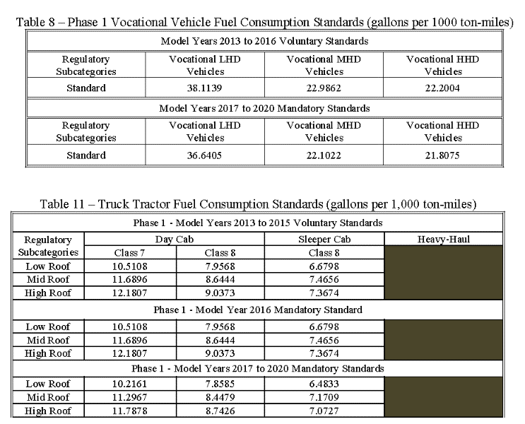

HDE Tables
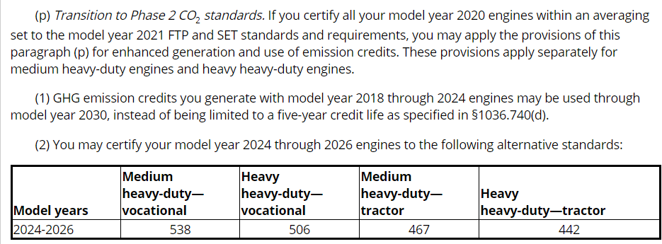
13 CFR 535 - NHTSA Standards

